Sri Lanka User
Sr No | Scenario | Expected Result | Pass/Fail | Remarks
1 | Srilanka User >Login [Primary Login :Mobile Number} | Login must be Successful | Pass
2 | Login- Srilanka User [Primary : Email ID} | Login must be Successful | Pass
3 | Login with non-verifed username | Invalid username or password . Please use verifed credentials Only | Pass
4 | Sri Lanka user>Sign Up | Sign up must be successful and User must be able to login with registered credentials | NT
5 | Sri Lanka user > Forgot Password | User must able to change password using forgot Password Journey | NT
6 | Login Sri Lanka User >Profile >MirAIe Tab | Name , Email ID [Verified or Verify] , Mobile No [Verified or Verfiy] , Home , Update Location ,Change language , Change Password , Logout | Pass
7 | Login Sri Lanka User >Profile >others | Link Alexa Account | Pass
8 | Login Sri Lanka User >Profile>MirAie Tab>Change language | English (Default), Tamil | Pass
9 | Login Sri Lanka User>Profile>MirAie Tab>Change language to Tamil | 1. App language change to Tamil 2. No font change 3. No Boxed icons | Pass
10 | Login Sri Lanka User >Setting | App Tour , Terms & Conditions , Privacy Policy , Third Party Licenses , Upgrade Firmware , Contact Us , Send your Feedback | Pass
11 | Login Sri Lanka User >Setting>Upgrade Firmware | 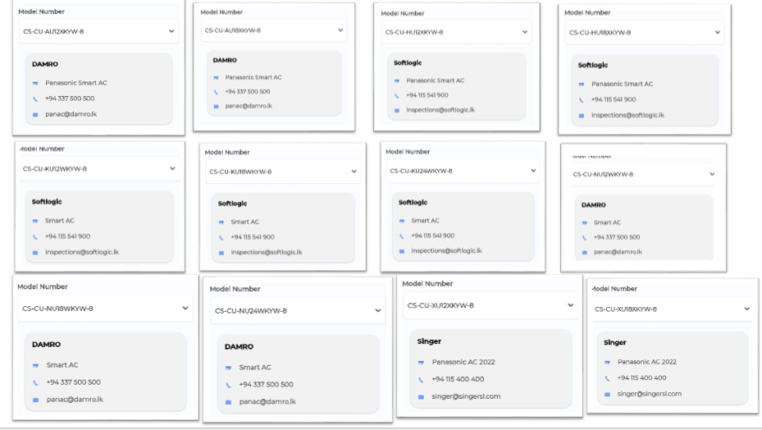 | Pass
12 | Login Sri Lanka User >Setting >Contact Us | Support Models must show with distributor details | Pass
13 | Login Sri Lanka User >Click on "+" Button in Dashboard | Must Support AC | Pass
14 | Login Sri Lanka User >Click on "+" Button in Room | Must Support AC | Pass
15 | Login Sri Lanka User > On-boarding for Some Appliance from Dashboard | On-boarding must be successful | NT
16 | Login Sri Lanka User > On-boarding for Some Appliance from Room | On-boarding must be successful and Device must listed in that particular ROOM | NT
17 | Login Sri Lanka User >Click on ROOM >Device listing in ROOM | In ROOM , AC must show | Pass

